Test Data and Evidences
Defect ID | Test Data | Evidences
D001 | “Although the defendant claimed innocence, the evidence presented in court painted a different picture.” Here, we witness the magic of a complex sentence as it effortlessly weaves together an independent clause (“the evidence presented in court painted a different picture”) and a dependent clause (“Although the defendant claimed innocence”). | 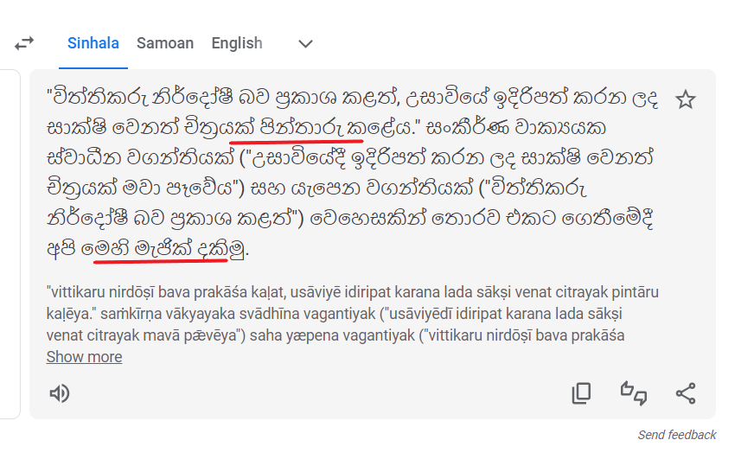
D002 | tad-ni: nau-4 ir-yu arin-d bi: uJkan a:-san-bi
D003 | Girl: Dad, what's the naughtiest thing you've ever done? Father: I once stole £5 from grandma's purse; I spent it on sweets. Girl: Oh my gosh!
D004 | São Paulo learnèd about the pādā from the élevàtor ôperàtor when he went to buy a envelope façade from the bookshop near the café.
D005 | Source document in English | Translated Document
D006 | https://www.piaotia.com/ | 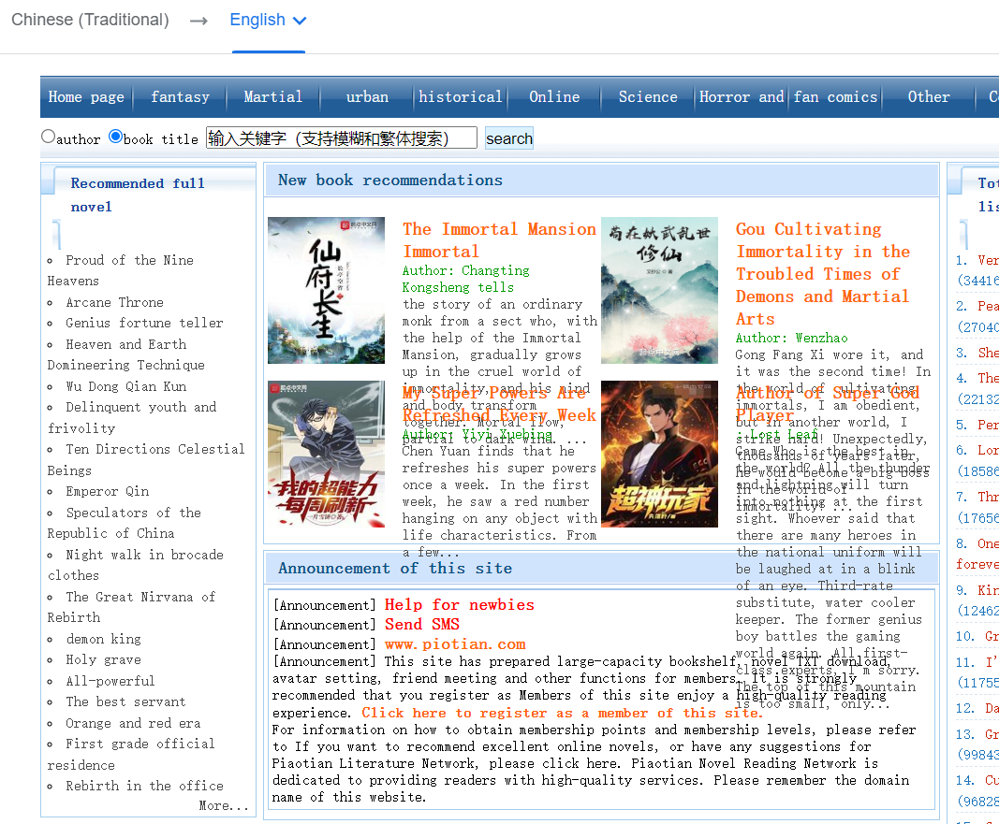
D007 | TODOTODOTO
D008 | Break a leg
D009 | Joy went to school with his mom

